DEWATA COCONUT (Coconut)
DATE | INV NO. | DESCRIPTIONS | AMOUNT | BILLS | PRICE | TOTAL
2026-02-01 | 12306 | COCONUT LOGO | 15 | 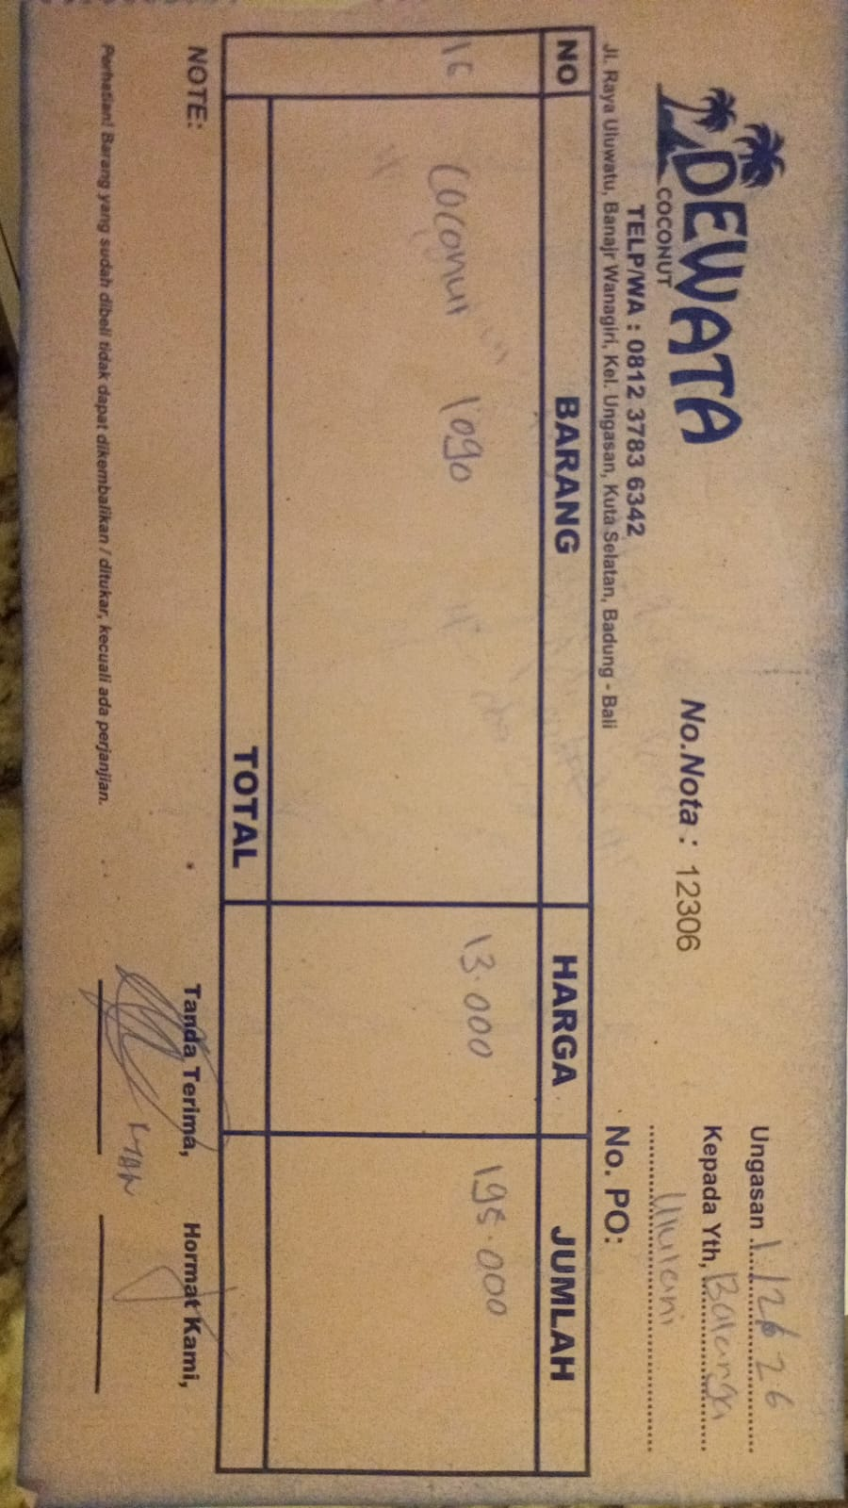 | IDR 13,000 | IDR 195,000
2026-02-03 | 12381 | COCONUT LOGO | 20 | 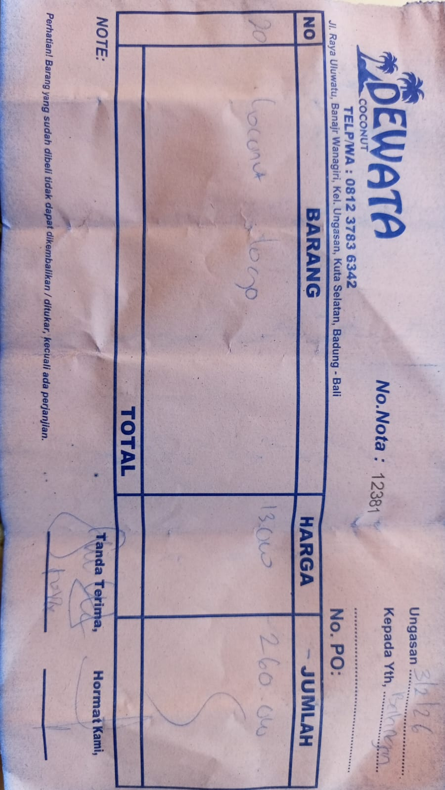 | IDR 13,000 | IDR 260,000
2026-02-05 | 12464 | COCONUT LOGO | 10 | 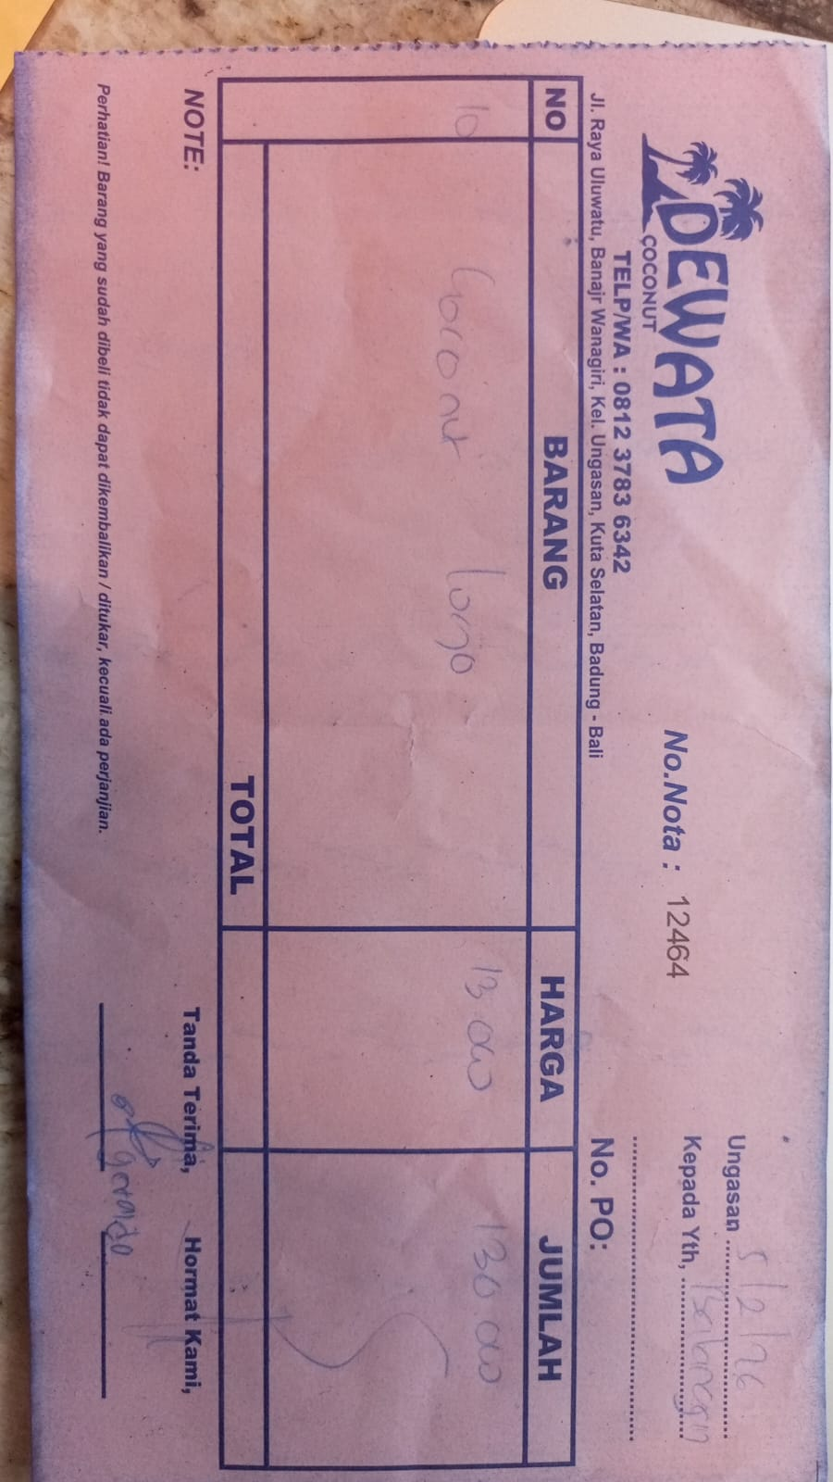 | IDR 13,000 | IDR 130,000
2026-02-07 | 12607 | COCONUT LOGO | 20 | 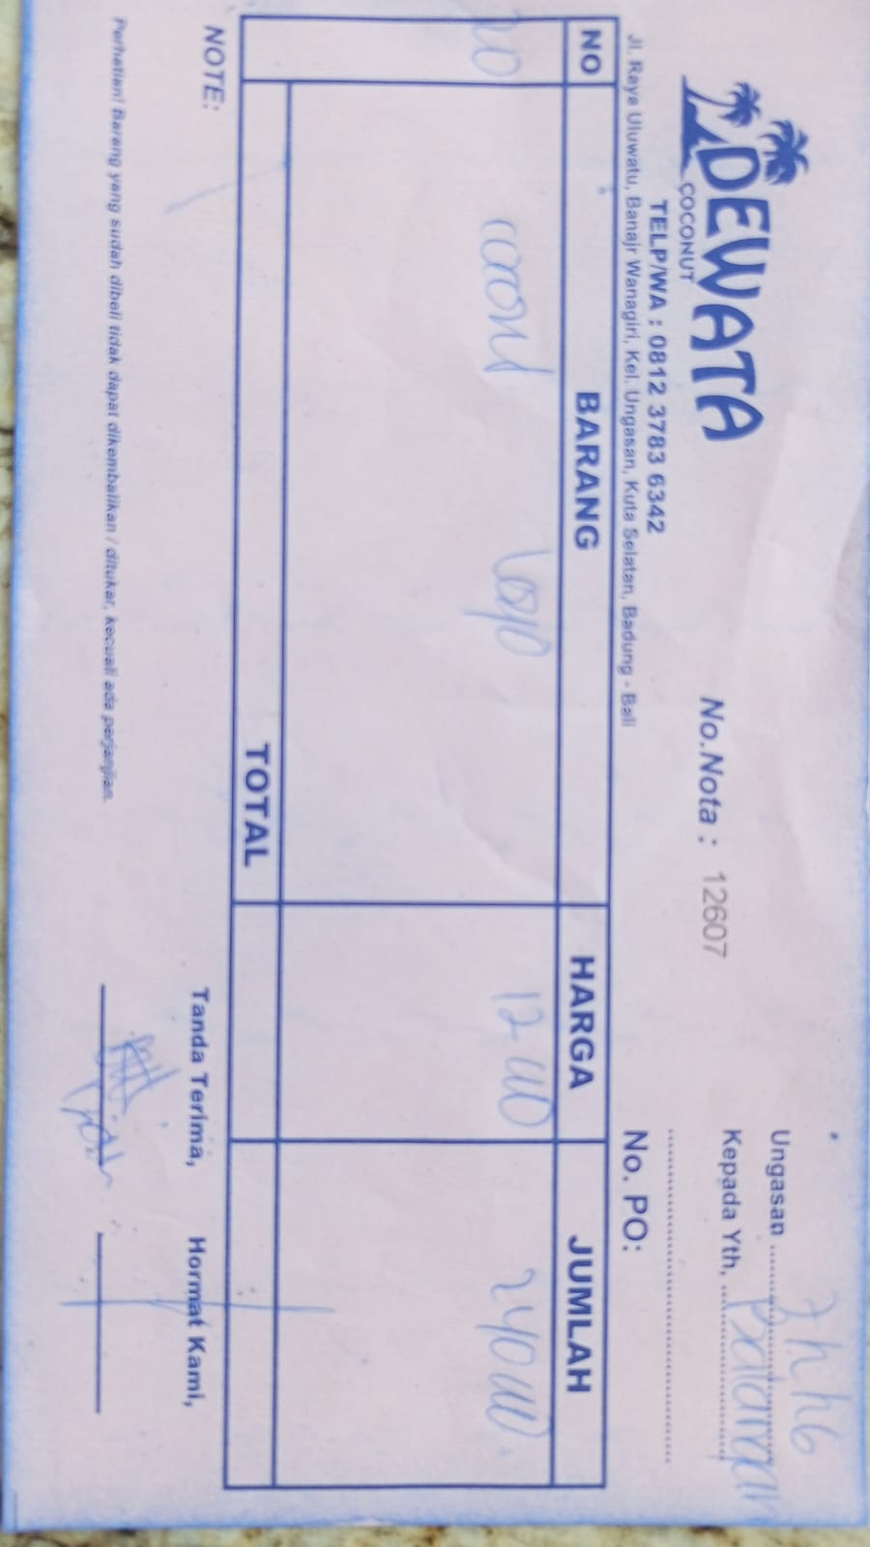 | IDR 12,000 | IDR 240,000
2026-02-10 | 12691 | COCONUT LOGO | 20 | 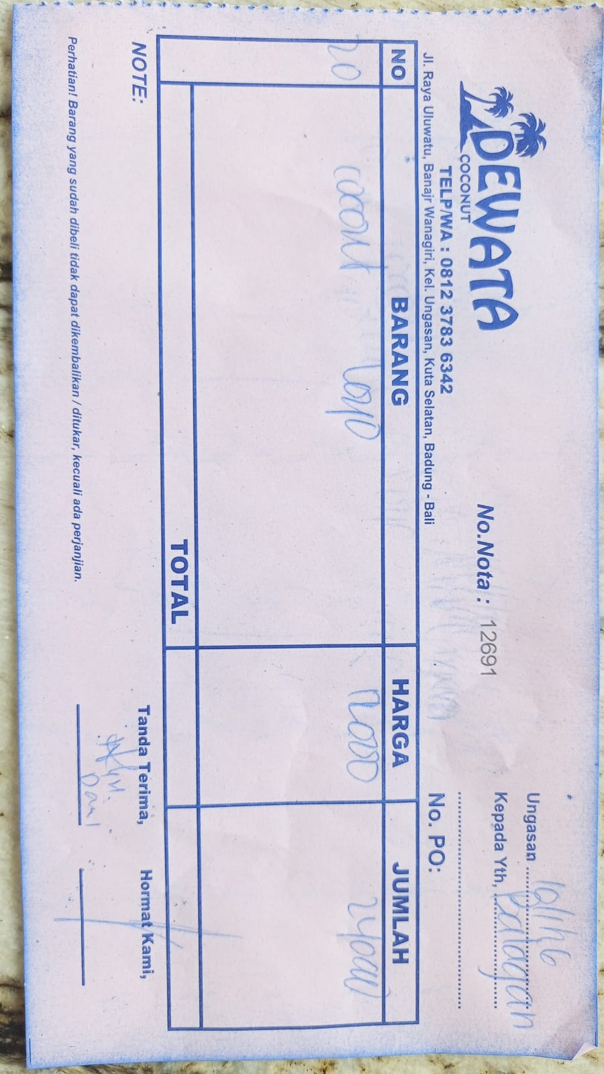 | IDR 12,000 | IDR 240,000
2026-02-12 | 12773 | COCONUT LOGO | 20 | 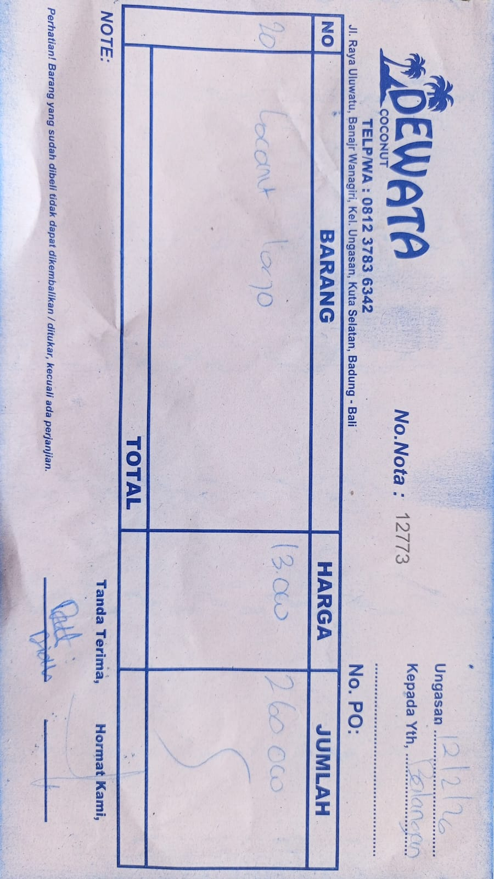 | IDR 13,000 | IDR 260,000
2026-02-15 | 12815 | COCONUT LOGO | 10 | 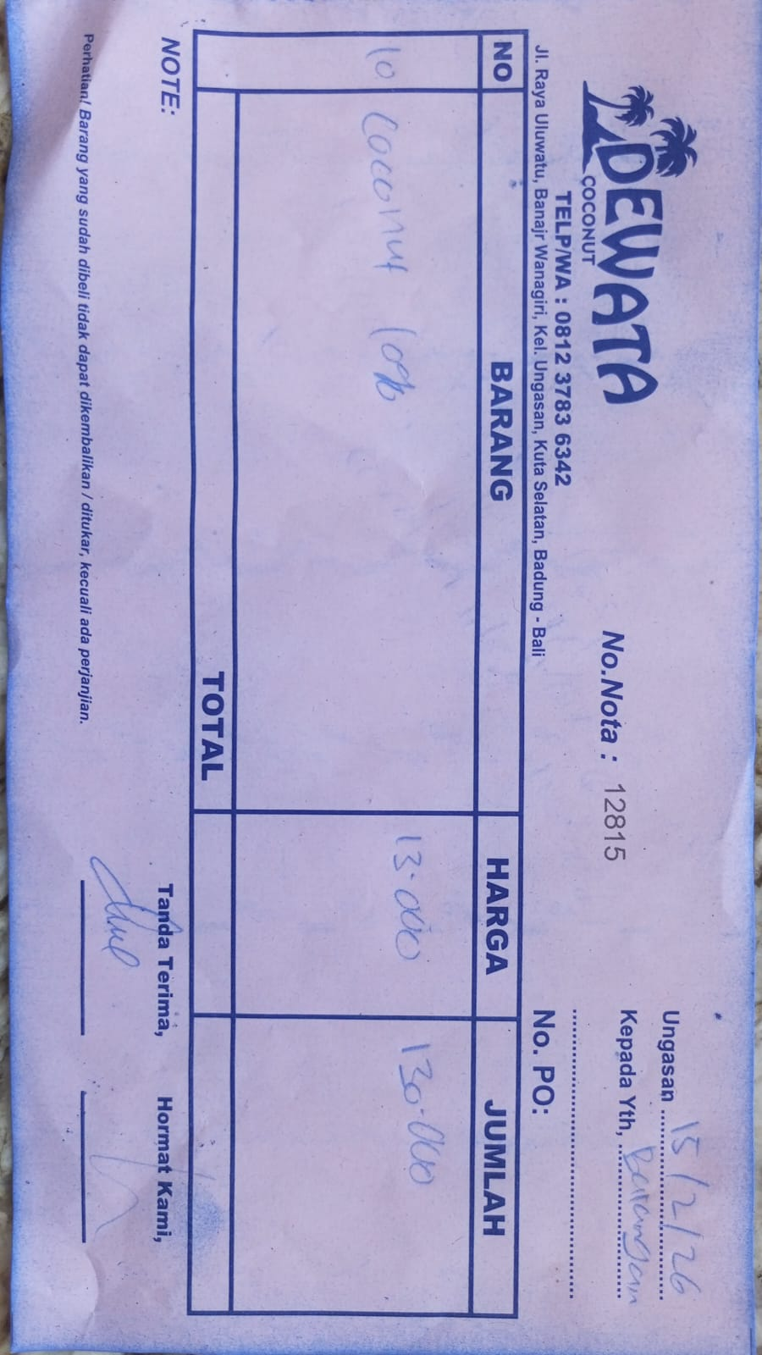 | IDR 13,000 | IDR 130,000
2026-02-18 | 12946 | COCONUT LOGO | 20 | 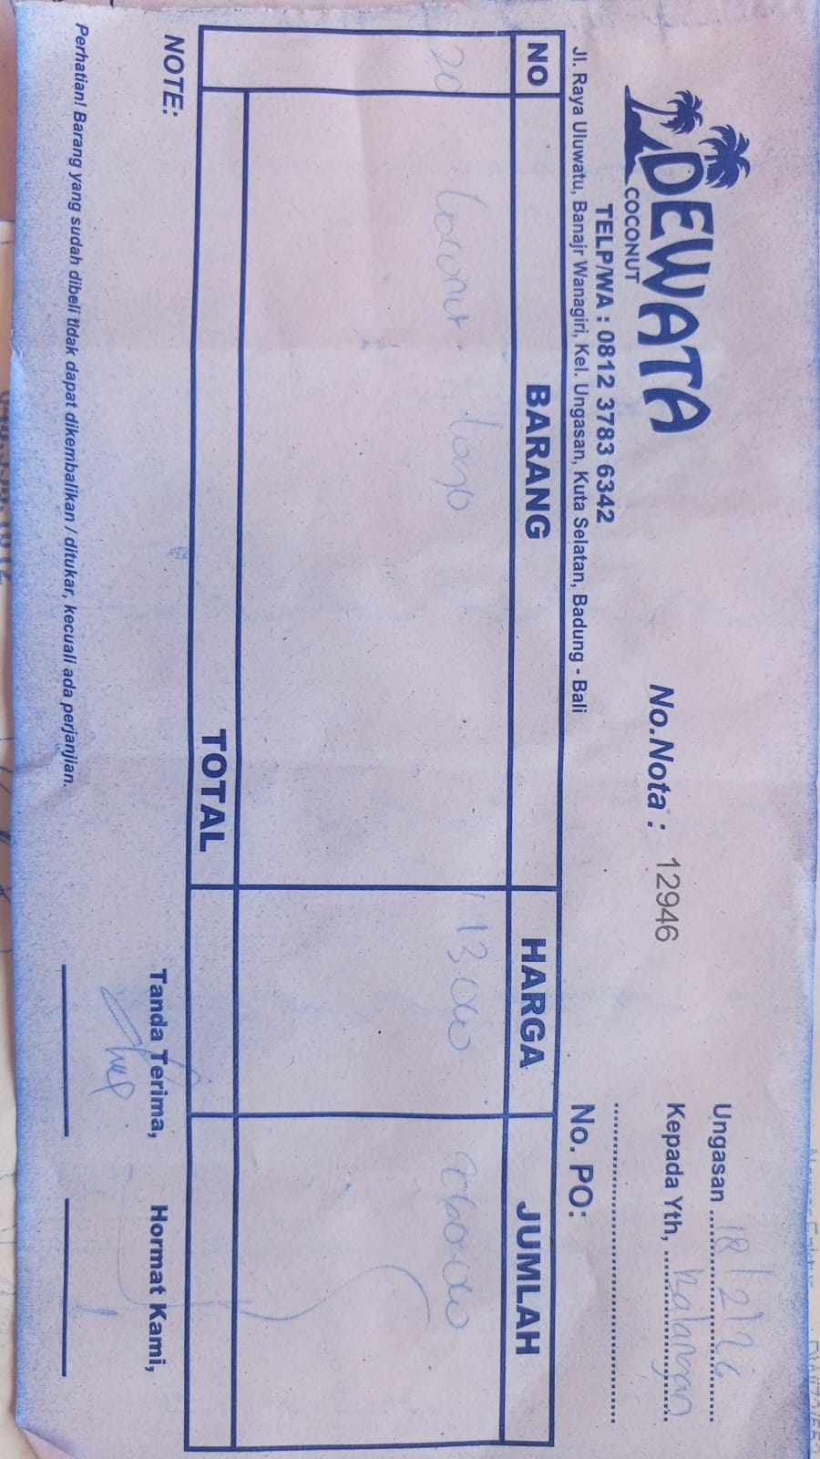 | IDR 13,000 | IDR 260,000
2026-02-22 | 13389 | COCONUT LOGO | 20 | 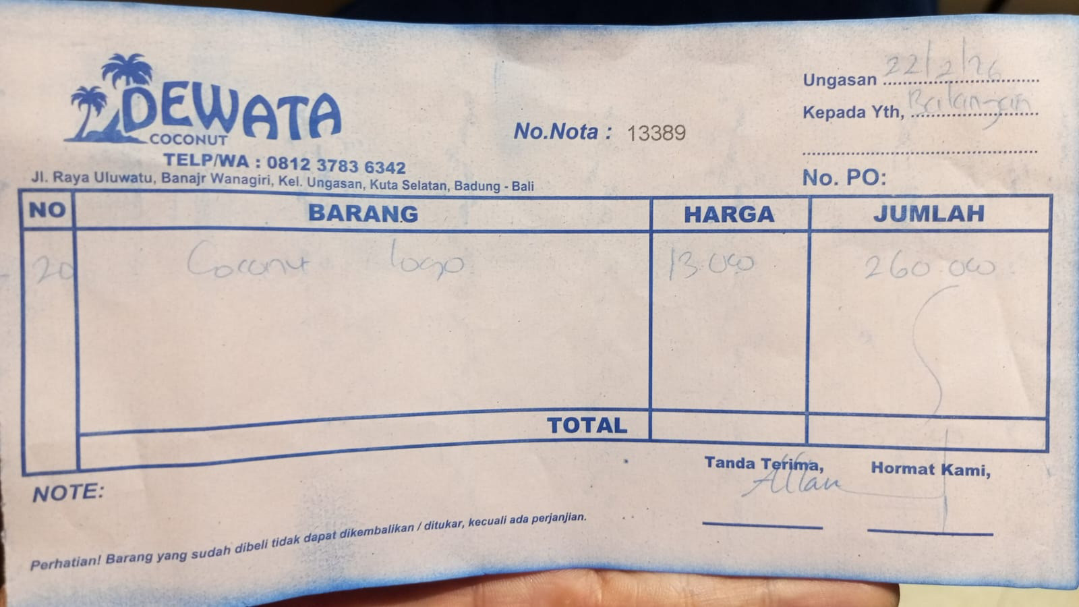 | IDR 13,000 | IDR 260,000
2026-02-25 | 13025 | COCONUT LOGO | 15 | 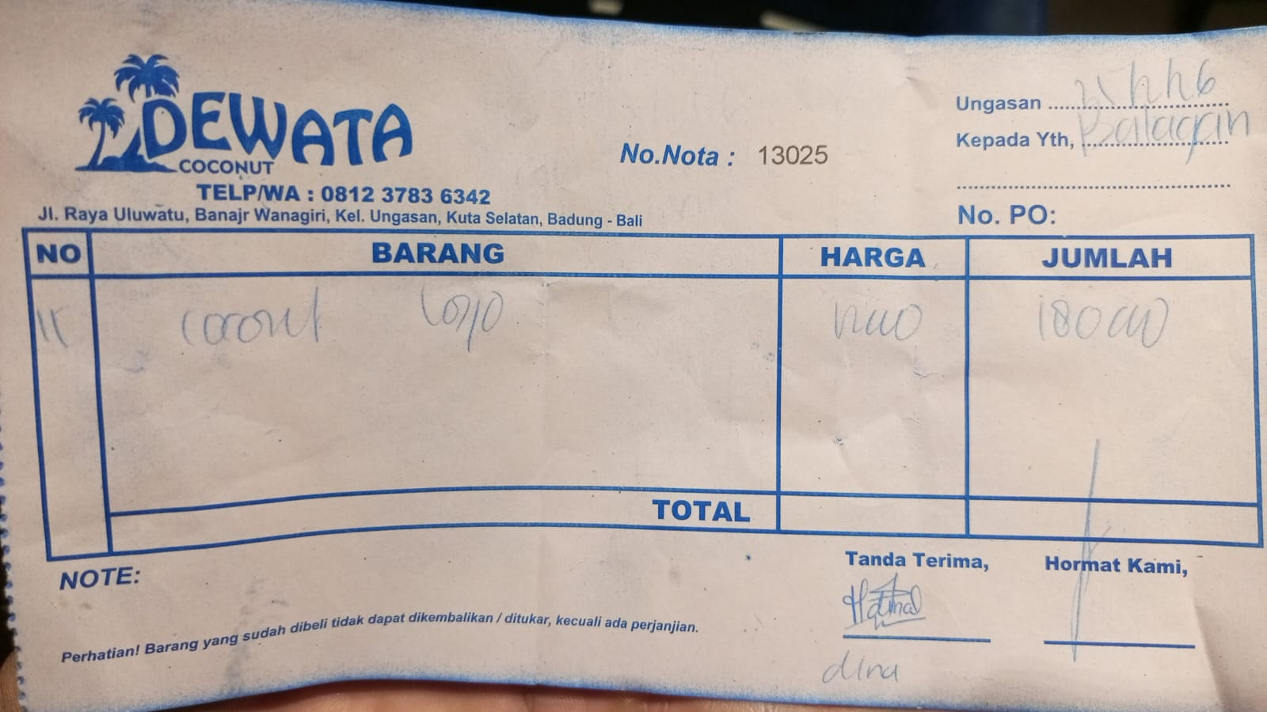 | IDR 12,000 | IDR 180,000
2026-02-27 | 13076 | COCONUT LOGO | 20 | 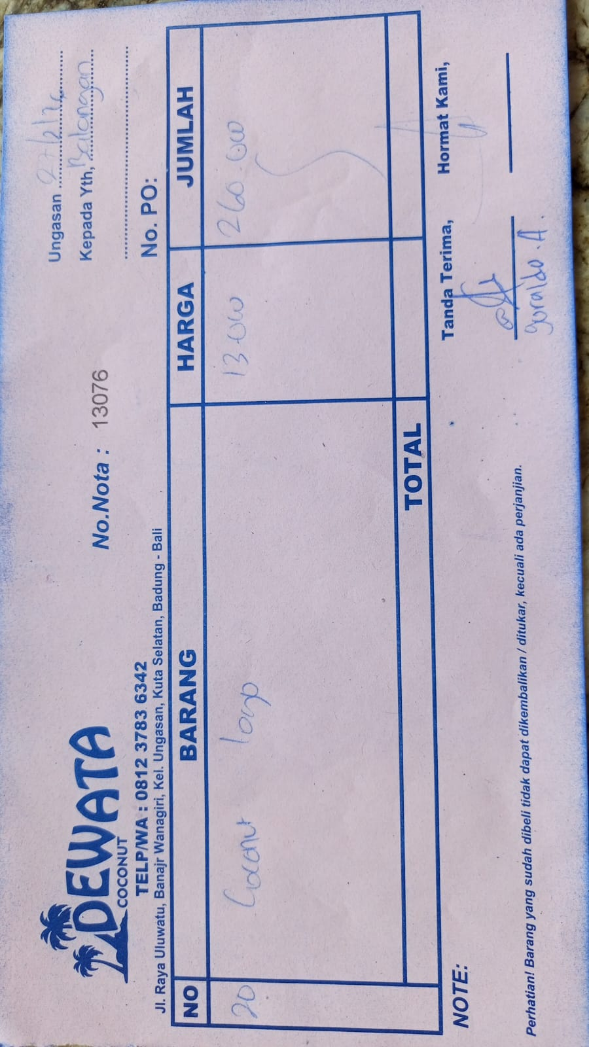 | IDR 13,000 | IDR 260,000
 |  |  |  |  |  | IDR -
 |  |  |  | Rp2,415,000

